Sheet1
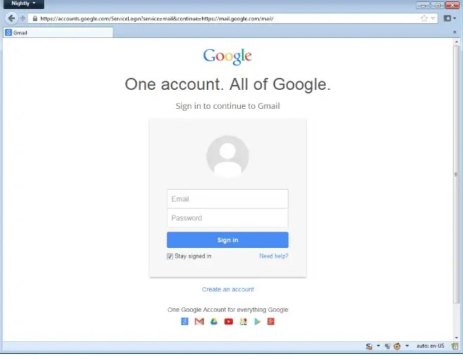
SR. NO. | Requirement Tracebelity | Scenerio | Test Case

 | Gmail Login page
1 |  | Verify user should be able to sign in
2 |  | Verify user should be able create account
3 |  | Verify user should be able to login in with valid un and psw
4 |  | Verify user should be able to validate need help Functionality
5 |  | VERIFY STAY SIGNED IN Funtionality
6 |  | VERIFY USER SHOILD ABLE TO VIEW DISPLAY PICTURE
7 |  | GUI
8 |  | Verify font, text, logo, colour as per std
9 |  | Verify user should be able to enter manual input in the un &psw fields
10 |  | Verify user should get appropriate warning message
11 |  | Verify enterd password should display in encrypted fromat
12 |  | Verify show psw button fn
13 |  | verify email & psw text fields
14 |  | verify forgot password fn
15 |  | verify user should not procced to login without filling mandatory fields
16 |  | verify the un and password showing any alternate credential

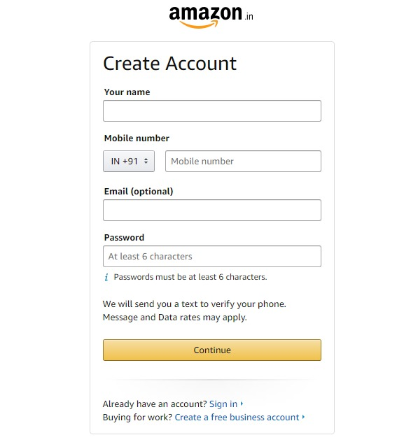
SR. NO. | Requirement Tracebelity | Scenerio | Test Case

 | Create Account on amzaon
1 |  | Verify that create account link is available
2 |  | Verify that create account link is clickable or not
3 |  | verify that create account page creating new page opening or not
4 |  | verify the your name field are working
5 |  | Verify user should be able to enter manual input in the your name field
6 |  | verify the the mobile no. field working
7 |  | verify the cursor button shown on the field are appropriate or not
8 |  | verify the SELECT country code button showing drop down list
9 |  | verify the given country code is proper with name
10 |  | verify the enter already saved or wrong mobile no. shows error msg or not
11 |  | verify the giving credential are editable or not
12 |  | verify the email name field is mandatory or not
13 |  | verify it gives any warning sign or not
14 |  | verify the password is in encripted manner
15 |  | verify the entered Password helping to select password
16 |  | verify the can we create an account woithout filled password
17 |  | verify the sign in link is working
18 |  | Verify font, text, logo, colour as per requirement
19 |  | verify the create a free business account link working
20 |  | verify that create a free business navigate to new page opening or not
21 |  | verify the continue button working
22 |  | Verify text field is highlighted when user click on the continue
23 |  | verify with the help enter button can we procced
24 |  | verify the the amzon logo is present
25 |  | verify the amazon logo is navigate to home page
26 |  | verify the the back button working or not

Sheet2
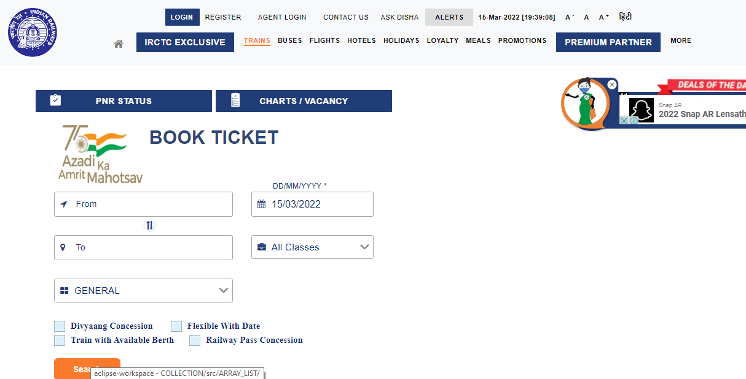
SR. NO. | Requirement Tracebelity | Scenerio | Test Case

 | irctc login page /app
1 |  | verify the train ticket booking website loading properly or not https://www.irctc.co.in/nget/train-search
2 |  | Verify user should be able to book tickets
3 |  | Verify user shoul be able to add source and destination date, typeof coach ,class while booking the ticket
4 |  | Verify user should be able to add source and destination should be able to view availaable list of trains
5 |  | Verify user should be able to search train on particular dates
6 |  | Verify user should be able to search train and seat availabilty
7 |  | Verify user should be able to book ticket for today
8 |  | Verify the user should be able to book ticket for tommarrow or future dates
9 |  | Verify the user should be able to see avialable seat in train
10 |  | Verify the user should book single as well as multiple seat at a time
11 |  | Verify the user should be able to book the tiecket in general category
12 |  | Verify the user should be able to book the tiecket in ladies category
13 |  | Verify the user should be able to book the tiecket in tatkal category
14 |  | Verify the user should be able to book the tiecket in Divyang category
15 |  | Verify the user should be able to book the tiecket in Anubhuti birth class
16 |  | Verify the user should be able to book the tiecket in AC first tier(1st tier) class
17 |  | Verify the user should be able to book the tiecket in AC second tier(2nd tier) class
18 |  | Verify the user should be able to book the tiecket in AC third tier(3 tier) class
19 |  | Verify the user should be able to book the tiecket in sleepeer class
20 |  | Verify user should be able to swap the source & destination as per travel journey
21 |  | Verify user should be able tosee train status using PNR number
22 |  | Verify user should be able to booking seat status using PNR NUMber
23 |  | Verify user should be able to book the ticket in Divyang Consetion
24 |  | Verify user should be able to book th ticket in Railway pass Conceation
25 |  | Verify user should be able to view available train birth while booking ticket
26 |  | Verify user should be able to view/check journey Details
27 |  | Verify the error warnig msg should be display if passenger leave without enter credential
28 |  | verify search result should be display
29 |  | Verify the user sould be able to book tickt as per choice

 | Negative Scenerio
1 |  | Verify user not able to book ticket as previous date
2 |  | Verify user not able to book ticket when chart is prepared
3 |  | Verify user should not able to select same source and destination
4 |  | Verify user should not able to select at same time Divyang and Railway pass Conceation
5 |  | Verify user should not able to book the ticket under the tatkal before 2 days ago

